Foglio1
photo | style |  | colour | 41 | 42 | 43 | 44 | units | Wholesale | Retail
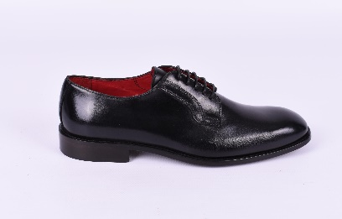 | BMB76932 | HUE | 04 COGNAC | 8 | 24 | 32 | 16 | 80 | € 113.00 | € 295.00
 | BMB76932 | HUE | 05 NERO / BLACK | 8 | 24 | 32 | 16 | 80 | € 113.00 | € 295.00
 | BMB76932 | HUE | 07 BLUE | 8 | 24 | 32 | 16 | 80 | € 113.00 | € 295.00
 | BMB76932 | HUE | 06 TESTA DI MORO | 8 | 24 | 32 | 16 | 80 | € 113.00 | € 295.00
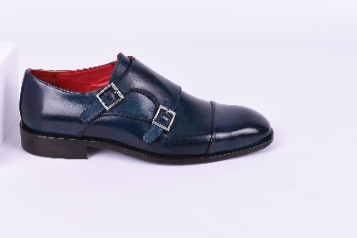 | BMB76902 | HALIFAX | 04 COGNAC | 8 | 24 | 32 | 16 | 80 | € 113.00 | € 295.00
 | BMB76902 | HALIFAX | 05 NERO / BLACK | 8 | 24 | 32 | 16 | 80 | € 113.00 | € 295.00
 | BMB76902 | HALIFAX | 06 TESTA DI MORO | 8 | 24 | 32 | 16 | 80 | € 113.00 | € 295.00
 | BMB76902 | HALIFAX | 07 BLUE | 8 | 24 | 32 | 16 | 80 | € 113.00 | € 295.00

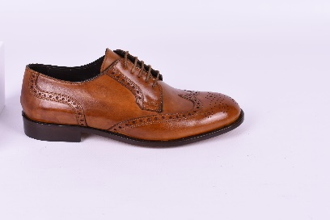 | BMB76916 | HIERRA | 04 COGNAC | 8 | 24 | 32 | 16 | 80 | € 113.00 | € 295.00
 | BMB76916 | HIERRA | 06 TESTA DI MORO | 8 | 24 | 32 | 16 | 80 | € 113.00 | € 295.00
 | BMB76916 | HIERRA | 07 BLUE | 8 | 24 | 32 | 16 | 80 | € 113.00 | € 295.00
 | BMB76916 | HIERRA | 05 NERO / BLACK | 8 | 24 | 32 | 16 | 80 | € 113.00 | € 295.00
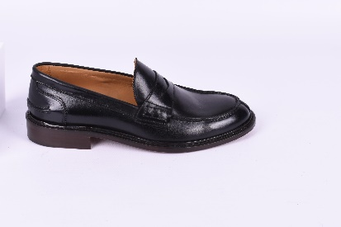 | BMB76917 | HIGHFALLS | 04 COGNAC | 8 | 24 | 32 | 16 | 80 | € 113.00 | € 295.00
 | BMB76917 | HIGHFALLS | 05 NERO / BLACK | 8 | 24 | 32 | 16 | 80 | € 113.00 | € 295.00
 | BMB76917 | HIGHFALLS | 06 TESTA DI MORO | 8 | 24 | 32 | 16 | 80 | € 113.00 | € 295.00
 | BMB76917 | HIGHFALLS | 07 BLUE | 8 | 24 | 32 | 16 | 80 | € 113.00 | € 295.00

 |  |  |  |  |  |  |  | 1280 | € 144,640.00 | € 377,600.00

